Hair & Beauty Supply
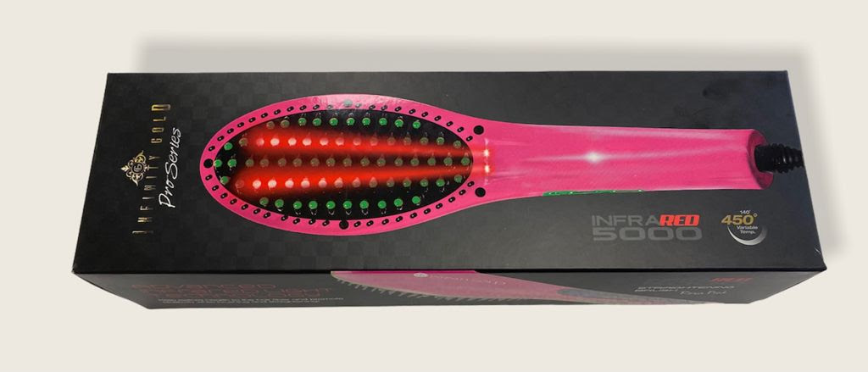
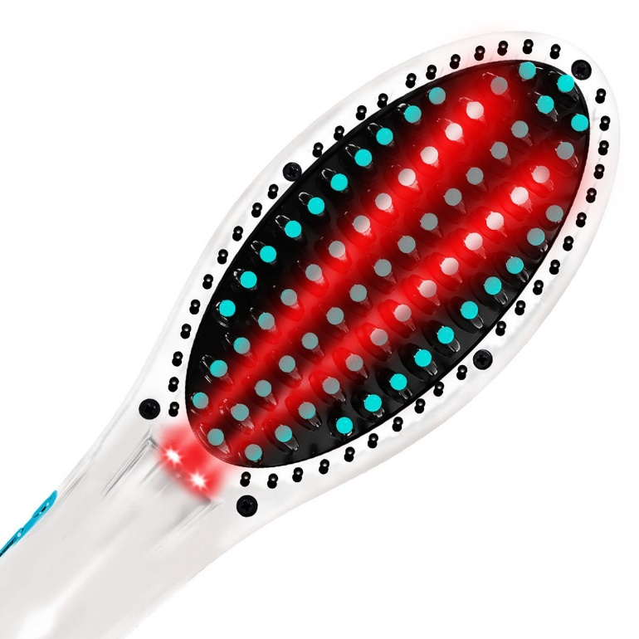
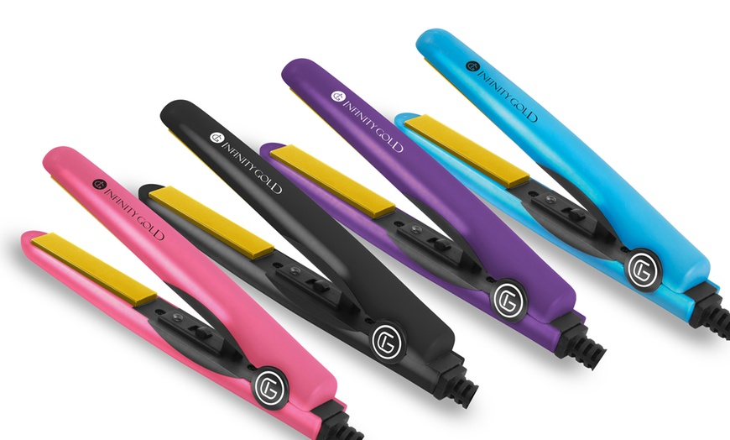
MODEL | DESCRIPTION | RETAIL PRICE | Number of pallets Available | QUANTITY | YOUR COST
Mixed Models | Infinity Gold Flat Iron Hair Straightener (mixed colors) | $24.99 | 18 | 16,000 | $6.60
Mixed Models | Infinity Gold Nano Tech. Straightening Brush (White and Pink) | $29.88 | 4 | 3396 | $7.00
 |  |  |  | EXW MIAMI, FL

 | Infinity Gold Flat Iron |  |  |  |  | Infinity Gold Straightening Brush

